Digital agents
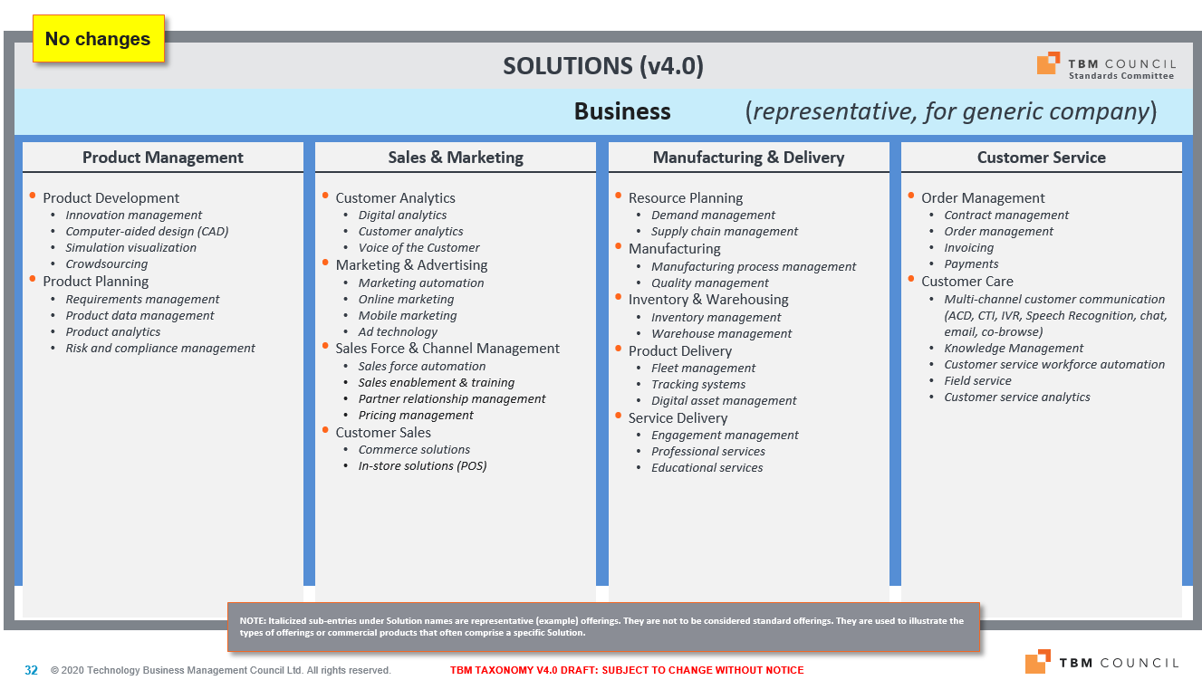
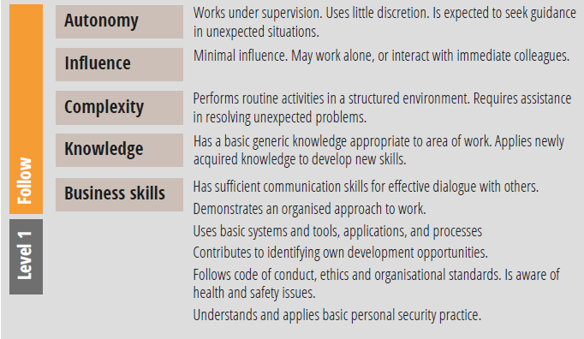
Digital Agents Catalogue
categorization of IT agents from capability delivered perspective, resources, speed of change and criticality

Agent Id | Capability | SFIA skill of DA | Business capability | Relative age | Autonomous | Learnability | Resources | Criticality | Speed of changes | Time used by business | Top dependency | APIs | Masterdata
Agent name | Capability area | SFIA V8 code | TBM 4.0 Taxonomy | examples | 0-40 managed | eamplex | relative to IT OPEX | in respect to business | zones | relative | external organization dependency
 |  |  |  | -1 - idea | 40-70 selfmanaged | Excellent 90-100 |  | 0-40 low | 0-40 low frequency | 0-40 not much used
 |  |  |  | 0 - launched | 70-90 autonomous | Very good 70-90 |  | 40-70 important | 40-70 important | 40-70 frequently used
 |  |  |  | 3 - growth | 90-100 Intelligent | Good 40-70 |  | 70-90 very important | 70-90 very important | 70-90 almost all time used
 |  |  |  | 18 - mature |  | Bad 0-40 |  | 90-100 critical | 90-100 critical | 90-100 critical
 |  |  |  | 40 - stable
 |  |  |  | 60 - about to retire
 |  |  |  | 100 - retired
 |  |  |  |  |  |  | 100% |  |  |  | Supplier |  |  |  | Change process
EPR Finance | Finance recording and finance information management |  |  | 40 |  | 20 | 16.00% | 60 | 10 | 20% | MS |  |  | 10.00% | CHM
 |  |  |  |  |  |  |  |  |  |  | SAP |  |  | 35.00%
 |  |  |  |  |  |  |  |  |  |  | Accenture |  |  | 15.00%
Logistics | Logistics planning and management |  |  | 20 |  |  | 18.00% | 95 | 80 | 15% | Accenture |  |  | 45.00%
CRM in cloud | Business partner information |  |  | 15 |  | 70 | 12.00% | 85 | 90 | 8% |  |  |  |  | Agile
Personal and salary | Information about personell and HR costs |  |  | 50 |  |  | 6.00% | 45 | 10 | 4%
email | information send, receive, store |  |  | 40 |  |  | 5.00% | 70 | 5 | 30% | MS |  |  | 60.00%
Intranet | Information sharing platform and versioning |  |  | 20 |  |  | 6.00% | 80 | 20 | 14%
Antivirus | Security and data protection |  |  | 40 |  | 90 | 1.00% | 30 | 5 | 0%
elearning | distant learning |  |  | 18 |  | 70 | 4.00% | 10 |  | 1%

Personal computing | Local computing capacity |  |  | 40 |  | NA | 6.00% | 10 | 5 | 60%
Backup and archive | backup data to protect |  |  | 60 |  | nA | 3.00% | 15 | 5 | 1%
Connectivity | networking |  |  | 30 |  | NA | 8.00% | 60 | 15 | 85%
Datacenter computing | DC computing capacity |  |  | 30 |  | NA | 8.00% | 90 | 20 | 90%
Data storage | DC storage capacity |  |  | 60 |  | NA | 7.00% | 90 | 10 | 90%

Total |  |  |  | NA |  |  | 100%

 | External organization |  |  | Total costs |  |  | Allocated
 | MS |  |  | 1000 |  |  | 70.00%
 | SAP |  |  | 2000
 | Accenture

SFIA skill

Digital capabilities
Examples of digital capabilities

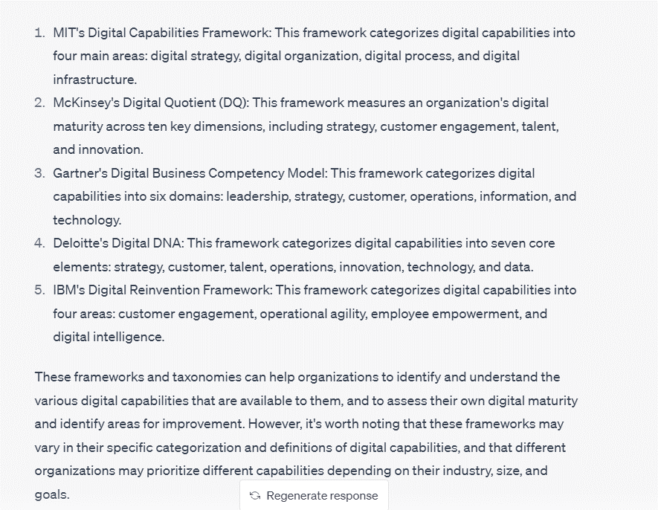
Capability - organization level | Detail description - ask ChatGPT
Finance records and management | The purpose of financial records and management is to ensure that an organization's financial transactions are accurately recorded, managed, and reported. This is important for several reasons: 1. Compliance: Accurate financial records are necessary to comply with various legal and regulatory requirements, such as tax laws and financial reporting standards. 2. Transparency: Financial records and management provide transparency into an organization's financial position and performance, which is important for stakeholders such as investors, creditors, and employees. 3. Decision-making: Financial records and management provide the information necessary for informed decision-making, such as identifying areas of profitability and determining the viability of investment opportunities. 4. Planning: Financial records and management help organizations to plan for the future by forecasting revenues and expenses, and identifying potential risks and opportunities. 5. Control: Financial records and management provide the necessary controls to prevent fraud and errors in financial transactions, and to ensure that financial resources are used efficiently and effectively. Overall, financial records and management are essential for the effective and efficient operation of any organization, regardless of its size or industry.
Sales and Marketing | The purpose of sales and marketing is to promote and sell a company's products or services to customers. Here are some specific reasons why sales and marketing are important for an organization: 1. Revenue generation: The primary goal of sales and marketing is to generate revenue by promoting and selling products or services to customers. 2. Customer acquisition: Sales and marketing activities help to acquire new customers and expand the customer base, which is essential for growth. 3. Brand building: Sales and marketing activities help to build and promote the brand identity and reputation, which can lead to increased customer loyalty and trust. 4. Customer retention: Sales and marketing activities can also help to retain existing customers by maintaining strong relationships and providing excellent customer service. 5. Market research: Sales and marketing activities can provide valuable insights into customer preferences, trends, and competition, which can inform product development and business strategy. 6. Competitive advantage: Effective sales and marketing can help an organization to differentiate itself from competitors and establish a competitive advantage. Overall, sales and marketing are critical functions for any organization that wants to succeed in today's competitive business environment. By effectively promoting and selling products or services, organizations can generate revenue, build their brand, acquire and retain customers, and gain a competitive advantage.
HR agenda | The purpose of Human Resources (HR) is to manage an organization's most important asset, its people. Here are some specific reasons why HR is important for an organization: 1. Talent acquisition: HR is responsible for recruiting and hiring employees with the right skills and experience to meet the needs of the organization. 2. Training and development: HR provides training and development opportunities to employees to enhance their skills and knowledge and improve their job performance. 3. Performance management: HR is responsible for monitoring and evaluating employee performance and providing feedback to help employees improve and meet their goals. 4. Compensation and benefits: HR is responsible for developing and administering compensation and benefits programs that attract and retain talented employees. 5. Employee relations: HR is responsible for managing employee relations, including handling conflicts and addressing employee concerns and grievances. 6. Compliance: HR ensures that the organization complies with labor laws and regulations, including equal employment opportunity laws and health and safety regulations. 7. Organizational development: HR plays a key role in shaping the organizational culture and promoting employee engagement, which can improve productivity and performance. Overall, HR is critical for any organization that wants to attract, retain, and develop talented employees, ensure compliance with labor laws and regulations, and promote a positive and productive work environment. By effectively managing the organization's human resources, HR can contribute to the organization's success and sustainability.
Production management and production control | The purpose of production management and production control is to ensure that an organization's production processes are efficient, effective, and cost-effective. Here are some specific reasons why production management and production control are important for an organization: 1. Resource allocation: Production management is responsible for allocating resources such as materials, labor, and equipment to ensure that production runs smoothly and efficiently. 2. Cost control: Production management and production control work together to ensure that production costs are minimized, while still maintaining quality and meeting customer demands. 3. Quality control: Production management and production control work to ensure that products are manufactured to meet the required quality standards and specifications. 4. Planning and scheduling: Production management and production control develop production plans and schedules that take into account factors such as demand, capacity, and inventory levels. 5. Continuous improvement: Production management and production control are responsible for identifying areas for improvement in the production process and implementing changes to increase efficiency and productivity. 6. Coordination: Production management and production control work closely with other departments such as sales, marketing, and logistics to ensure that production is aligned with the needs of the organization. Overall, production management and production control are critical for any organization that wants to optimize its production processes, reduce costs, and meet customer demands. By effectively managing and controlling production, organizations can increase efficiency, improve quality, and maintain a competitive edge in their industry.
Communication and collaboration | The purpose of collaboration and communication is to facilitate effective teamwork and ensure that employees can work together efficiently and productively. Here are some specific reasons why collaboration and communication are important for an organization: 1. Idea generation: Collaboration and communication can help employees generate new ideas and solutions by sharing their knowledge, skills, and perspectives. 2. Problem-solving: Collaboration and communication can help employees work together to solve complex problems and make informed decisions. 3. Productivity: Effective collaboration and communication can improve productivity by reducing duplication of effort and ensuring that employees are working together towards common goals. 4. Innovation: Collaboration and communication can promote innovation by fostering a culture of openness and creativity. 5. Employee engagement: Collaboration and communication can help to foster a sense of community and belonging among employees, which can increase job satisfaction and engagement. 6. Customer satisfaction: Collaboration and communication can help to ensure that customer needs are met by enabling employees to work together to deliver high-quality products or services. Overall, collaboration and communication are essential for any organization that wants to succeed in today's fast-paced, competitive business environment. By promoting teamwork, fostering innovation, and ensuring that employees are working together towards common goals, organizations can increase productivity, improve customer satisfaction, and gain a competitive advantage.
Learning and development | The purpose of learning and development from a digital capabilities perspective is to equip employees with the skills and knowledge they need to effectively use digital tools and technologies to achieve their work objectives. Here are some specific reasons why learning and development are important for an organization's digital capabilities: 1. Improved productivity: Learning and development can help employees become more proficient in using digital tools and technologies, which can increase their productivity and efficiency.1. 2. Enhanced innovation: Learning and development can help employees stay up-to-date with the latest digital tools and technologies, which can promote innovation and the development of new products or services. 3. Reduced errors and risks: Learning and development can help employees understand the proper use and handling of digital tools and technologies, which can reduce errors and risks associated with their use. 4. Increased collaboration: Learning and development can help employees develop the skills and knowledge they need to collaborate effectively using digital tools and technologies, which can improve teamwork and communication. 5. Enhanced customer experience: Learning and development can help employees understand how to use digital tools and technologies to provide customers with an exceptional experience, which can increase customer satisfaction and loyalty. 6. Improved data analysis: Learning and development can help employees develop the skills and knowledge they need to analyze data effectively using digital tools and technologies, which can inform better decision-making. Overall, learning and development are critical for any organization that wants to maximize the potential of its digital capabilities. By investing in employee learning and development, organizations can ensure that their employees are equipped with the skills and knowledge they need to use digital tools and technologies effectively, improve productivity and effi
Quality management | The purpose of quality management in the digital era is to ensure that products and services meet or exceed customer expectations and requirements, while also maximizing efficiency and minimizing costs. Here are some specific reasons why quality management is important in the digital era: 1. Ensuring product and service quality: Quality management ensures that products and services are manufactured or delivered to meet customer expectations and requirements, which can increase customer satisfaction and loyalty. 2. Reducing errors and waste: Quality management can help to identify and reduce errors and waste in the production or delivery process, which can increase efficiency and reduce costs. 3. Continuous improvement: Quality management promotes a culture of continuous improvement by monitoring performance, identifying opportunities for improvement, and implementing changes to improve quality and efficiency. 4. Protecting brand reputation: Quality management helps to protect the organization's brand reputation by ensuring that products and services meet the required quality standards and specifications. 5. Regulatory compliance: Quality management ensures that products and services comply with relevant regulatory requirements, which can help to avoid legal issues and penalties. 6. Enhancing data analytics: Quality management promotes the collection and analysis of data to inform decision-making and identify opportunities for improvement. Overall, quality management is critical for any organization that wants to succeed in the digital era. By ensuring product and service quality, reducing errors and waste, promoting continuous improvement, and protecting brand reputation, quality management can help organizations increase efficiency, reduce costs, and maintain a competitive advantage.
Legal and compliance | The purpose of legal and compliance management is to ensure that an organization operates in compliance with applicable laws and regulations, as well as its own internal policies and ethical standards. Here are some specific reasons why legal and compliance management is important for an organization: 1. Legal risk management: Legal and compliance management helps to identify and mitigate legal risks that could negatively impact the organization, such as lawsuits, fines, or reputational damage. 2. Compliance with laws and regulations: Legal and compliance management ensures that the organization operates in compliance with applicable laws and regulations, which can help to avoid legal issues and penalties. 3. Ethical standards: Legal and compliance management promotes ethical behavior by ensuring that the organization adheres to its own internal policies and ethical standards. 4. Protecting the organization's reputation: Legal and compliance management helps to protect the organization's reputation by ensuring that it operates in a responsible and ethical manner. 5. Avoiding conflicts of interest: Legal and compliance management helps to identify and avoid potential conflicts of interest that could negatively impact the organization. 6. Enhancing data security and privacy: Legal and compliance management promotes the protection of data security and privacy, which is increasingly important in today's digital environment. Overall, legal and compliance management is critical for any organization that wants to operate in an ethical and responsible manner, avoid legal issues and penalties, and protect its reputation. By promoting legal and regulatory compliance, adhering to ethical standards, and protecting data security and privacy, organizations can maintain the trust of their stakeholders and maintain a competitive advantage.
Risk mitigation and management | The purpose of risk mitigation and risk management is to identify, assess, and manage risks that could negatively impact an organization's objectives or operations. Here are some specific reasons why risk mitigation and risk management are important for an organization: 1. Minimizing financial losses: Risk mitigation and risk management help to identify and reduce the likelihood of financial losses resulting from risks such as market fluctuations, natural disasters, or cyber attacks. 2. Protecting the organization's reputation: Risk mitigation and risk management help to protect the organization's reputation by identifying and addressing potential risks that could negatively impact its image or public perception. 3. Ensuring compliance: Risk mitigation and risk management help to ensure that the organization operates in compliance with applicable laws and regulations, which can help to avoid legal issues and penalties. 4. Promoting business continuity: Risk mitigation and risk management help to ensure that the organization can continue to operate in the event of a disruption or crisis. 5. Enhancing decision-making: Risk mitigation and risk management provide valuable information and insights that can inform decision-making and help to minimize the impact of risks. 6. Improving stakeholder trust: Risk mitigation and risk management demonstrate to stakeholders that the organization takes risk management seriously and is committed to protecting their interests. Overall, risk mitigation and risk management are critical for any organization that wants to protect its financial stability, reputation, and ability to operate. By identifying and addressing potential risks, organizations can minimize the likelihood and impact of negative events, maintain compliance with laws and regulations, and build stakeholder trust.
Cyber resilience | The purpose of an organization's cyber resilience is to ensure that it can continue to operate and deliver services in the face of cyber attacks or other cyber threats. Cyber resilience involves a combination of measures and practices aimed at preventing, detecting, responding to, and recovering from cyber incidents. Here are some specific reasons why cyber resilience is important for an organization: 1. Protecting data and information: Cyber resilience helps to protect an organization's sensitive data and information from unauthorized access, theft, or destruction. 2. Maintaining business continuity: Cyber resilience helps to ensure that an organization can continue to operate and deliver services even in the face of a cyber attack or other cyber incident. 3. Minimizing financial losses: Cyber resilience helps to minimize financial losses resulting from a cyber attack or other cyber incident, such as lost revenue or costs associated with remediation. 4. Enhancing stakeholder trust: Cyber resilience demonstrates to stakeholders that an organization takes the security of its data and information seriously and is committed to protecting their interests. 5. Ensuring regulatory compliance: Cyber resilience helps to ensure that an organization complies with relevant laws and regulations related to data security and privacy. 6. Reducing reputational damage: Cyber resilience helps to minimize reputational damage resulting from a cyber attack or other cyber incident, which can negatively impact an organization's image or public perception. Overall, cyber resilience is critical for any organization that relies on digital technology and data to operate. By implementing measures and practices that help to prevent, detect, respond to, and recover from cyber incidents, organizations can protect their data and information, maintain business continuity, and build stakeholder trust.
Business intelligence and data analytics | The purpose of business intelligence and data analytics is to help organizations make better-informed decisions by analyzing and interpreting data. Business intelligence involves using data analysis tools and techniques to collect, process, and analyze data from various sources, such as sales data, customer data, and operational data. The goal is to identify patterns and trends in the data that can help organizations understand their business performance and make data-driven decisions. Here are some specific reasons why business intelligence and data analytics are important for an organization: 1. Improving operational efficiency: Business intelligence and data analytics help organizations to identify areas where they can improve their operational efficiency and reduce costs. 2. Enhancing customer experience: Business intelligence and data analytics help organizations to understand their customers' behavior and preferences, which can be used to improve customer experience and satisfaction. 3. Identifying new opportunities: Business intelligence and data analytics help organizations to identify new market opportunities, develop new products and services, and improve their competitive position. 4. Enhancing decision-making: Business intelligence and data analytics provide valuable insights that can inform decision-making at all levels of the organization. 5. Improving performance measurement: Business intelligence and data analytics help organizations to measure their performance against key metrics and identify areas where they need to improve. 6. Enhancing agility: Business intelligence and data analytics help organizations to respond more quickly to changes in the market, customer needs, or internal processes. Overall, business intelligence and data analytics are critical for any organization that wants to make better-informed decisions and improve its performance. By analyzing and interpreting data, organizations can gain valuable insights into their business perf
Performance measurement | The purpose of performance measurement is to evaluate an organization's performance against specific goals, objectives, or benchmarks. Performance measurement provides information that can be used to monitor progress, identify areas for improvement, and make informed decisions. Here are some specific reasons why performance measurement is important for an organization: 1. Setting goals and objectives: Performance measurement helps organizations to set clear, specific, and measurable goals and objectives that are aligned with their strategic vision. 2. Monitoring progress: Performance measurement provides ongoing feedback on an organization's progress toward achieving its goals and objectives. This helps to identify areas where the organization is falling behind, and where corrective action may be needed. 3. Identifying areas for improvement: Performance measurement highlights areas where an organization's performance falls short of expectations, providing a starting point for identifying opportunities to improve. 4. Making informed decisions: Performance measurement provides data and insights that can inform decision-making at all levels of the organization. This helps to ensure that decisions are based on objective information rather than guesswork or assumptions. 5. Enhancing accountability: Performance measurement helps to promote accountability by providing a clear and objective way to evaluate an organization's performance. 6. Enhancing transparency: Performance measurement provides stakeholders with a clear view of an organization's performance, making it easier to understand and communicate results to a broader audience. Overall, performance measurement is critical for any organization that wants to improve its performance and achieve its goals. By setting clear goals, monitoring progress, identifying areas for improvement, and making data-driven decisions, organizations can enhance their performance, accountability, and transparency.
Innovation and ecosystems | The purpose of innovation and innovation ecosystems is to drive the development and implementation of new ideas, products, processes, and technologies that create value for organizations and society. Innovation is critical for organizations to stay competitive, adapt to changing market conditions, and identify new growth opportunities. Here are some specific reasons why innovation and innovation ecosystems are important: 1. Driving economic growth: Innovation is a key driver of economic growth, creating new products and services that generate jobs, increase productivity, and stimulate economic activity. 2. Enhancing competitiveness: Innovation helps organizations to stay competitive by developing new products, processes, and business models that improve efficiency, reduce costs, and differentiate their offerings from competitors. 3. Meeting changing customer needs: Innovation enables organizations to identify and respond to changing customer needs, preferences, and expectations, helping to improve customer satisfaction and loyalty. 4. Solving complex problems: Innovation can help to address complex societal challenges, such as climate change, healthcare, and poverty, by developing new solutions and technologies. 5. Creating new opportunities: Innovation can create new business opportunities and revenue streams for organizations, helping them to expand their markets and grow their businesses. 6. Encouraging collaboration: Innovation ecosystems bring together diverse stakeholders, including entrepreneurs, investors, academia, and government, to collaborate and share knowledge, resources, and ideas. Overall, innovation and innovation ecosystems are critical for organizations and society to drive growth, competitiveness, and sustainability. By fostering a culture of innovation, organizations can identify new opportunities, develop new solutions, and stay ahead of the curve in a rapidly changing world.
Customer services | The purpose of customer service is to provide assistance, support, and solutions to customers before, during, and after they purchase products or services. Customer service is critical for organizations to build and maintain strong relationships with their customers and enhance their overall experience. Here are some specific reasons why customer service is important: 1. Building customer loyalty: Effective customer service can help to build strong relationships with customers, increasing their loyalty and likelihood to make repeat purchases. 2. Resolving issues: Customer service helps to resolve any issues or problems that customers may have with products or services, improving their satisfaction and reducing the likelihood of negative reviews or word-of-mouth. 3. Enhancing customer experience: Customer service helps to enhance the overall customer experience by providing personalized assistance and support, improving their perception of the organization. 4. Providing insights: Customer service can provide valuable insights into customer needs, preferences, and feedback, helping organizations to improve their products, services, and processes. 5. Upselling and cross-selling: Effective customer service can also help organizations to upsell or cross-sell additional products or services to customers, increasing revenue and customer lifetime value. 6. Differentiating from competitors: Superior customer service can be a key differentiator for organizations, helping them to stand out from competitors and attract new customers. Overall, customer service is critical for organizations to build and maintain strong relationships with their customers and enhance their overall experience. By providing personalized assistance and support, resolving issues, and providing valuable insights, organizations can improve customer loyalty, satisfaction, and revenue.
Logistics and stock management | The purpose of logistics and stock management is to ensure that products and materials are efficiently and effectively transported, stored, and distributed throughout an organization's supply chain. Effective logistics and stock management can help organizations to optimize their operations, reduce costs, and improve customer satisfaction. Here are some specific reasons why logistics and stock management are important: 1. Optimizing supply chain operations: Logistics and stock management help to optimize supply chain operations by ensuring that the right products and materials are available in the right quantities, at the right time and place. 2. Reducing costs: Effective logistics and stock management can help to reduce costs by minimizing inventory holding costs, transportation costs, and warehouse expenses. 3. Improving customer satisfaction: Timely and accurate delivery of products can improve customer satisfaction by ensuring that customers receive the right products at the right time. 4. Managing risk: Logistics and stock management can help to manage risk by minimizing the likelihood of stock shortages, excess inventory, and product obsolescence. 5. Enhancing efficiency: By streamlining transportation and warehousing processes, logistics and stock management can enhance operational efficiency and reduce waste. 6. Improving decision-making: Accurate and timely data on inventory levels, lead times, and delivery performance can help organizations to make informed decisions and improve their operations. Overall, logistics and stock management are critical for organizations to ensure that products and materials are efficiently and effectively transported, stored, and distributed throughout their supply chain. By optimizing supply chain operations, reducing costs, and improving customer satisfaction, organizations can enhance their competitiveness and profitability.

Process details
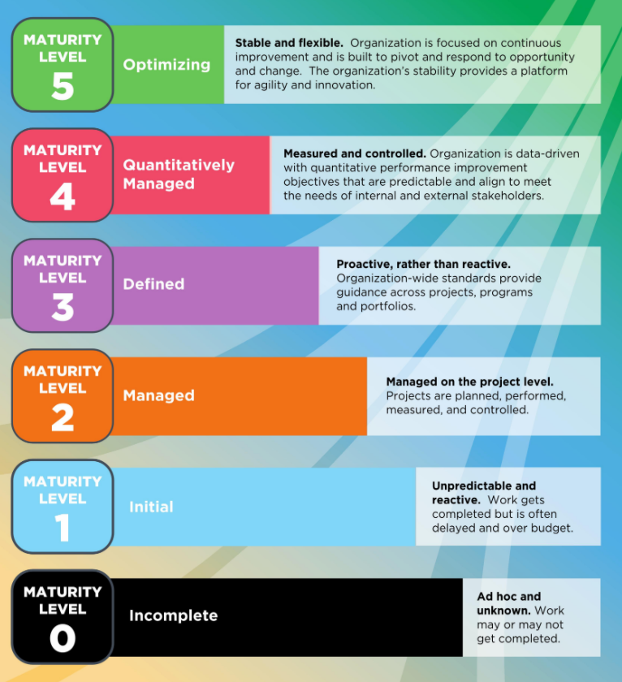
 | Process description
Process name | Asset management
Process goal | Asset inventory and management
Scope | PC, Printers, Network devices
Inputs | Changes, purchase, replacement, automation
Outputs | Inventories, replacement plans
Frequency | 5 x per week, bulk changes
Tool | ALVAO Asset management, excel for some type of items
Process maturity | 2
Process documentation | Detail process description - Asset management process.docx
Metrics | Quantitative -
Process responsibility | Petr John

